1. Title Page
Project Name: New York Citi Bikes Analysis 2023-2024
Date:
Analyst Name: Matthew Abrams

About:
Uncovered information about Instacart's sales patterns by performing an exploratory analysis of some of their data. Used information based on customers' background and ordering habits to derive insights and suggest marketing strategies for better segmentation

Contents:
Population Flow
Wrangling Steps
Consistency checks
Column derivations
Visualizations
Recommendations
Appendix

Source:
“Citi Bike”, Accessed from https://citibikenyc.com/system-data

2. Population Flow
Population flow

Exclusion flag
Condition 1: 0 <= ride_length_in_min <= 120
Condition 2: start_date => 01/01/2023 and end_date <= 12/31/2023
Obervations to be removed: 143,972 (Less than 0.5% of observations/outliers removed)
Final total count of order_products_all: 34963058

Step 3: NYC Citi Bikes - filtering data (rides last between 0 and 2 hrs

Total: 34963058 rows

1) The grey box in the first row of the population flow represent the original datasets as they were downloaded. In the Total field represents the number of rows after importing and merging the datasets into RStudio.
2) The blue box represents the datasets after filtering them for removal of irrelavent dates (analysis is for 2023-2024, yet entries contained dates of 2022)
3) The red box, represents the datasets after filtering them, removing outliers of bike rides lasting over 2 hours or less than 0 minutes.

3. Wrangling steps
Wrangling steps

Action: (Dropping Columns, Renaming Columns, Changing type of Column) | Comment/Reason
Changed Data type of column "end_station_id" for the datasets: sep23_part3, oct23_part1, oct23_part2 | Needed to make the columns the same data types as the majority of the datasets to properly merge
Changed Data type of column "start_station_id"for thr datasets: oct23_part1, oct23_part2, nov23_part3 | Needed to make the columns the same data types as the majority of the datasets to properly merge
Drop columns: "ride_id", "start_station_id", "end_station_id", "start_lat", "start_lng", "end_lat", "end_lng" | Not necessary for the analysis
Filtered out entries of rides taking place in 2022 | Not necessary for the analysis
Filtered out entries of rides lasting over 2 hours and less than 0 minutes | There's no such thing as a negative value for time. There is also a monetary penalty for rides longer than 45 minutes for members and 30 minutes for casual customers. It is less likely that any citi bike ride would take several hours. The System host site indicates that for distance calculation, trips are capped at a 2 hour (120 minutes) limit. It is highly probable that the bike was not engaged properly at the returning station.

4. Consistency checks
Consistency checks

Dataset | Missing values | Missing values treatment | Duplicates
Original_Data (Step 1) | 19,857 rows missing for "start_station_id" column | Getting rid of the column as analysis involving the column was never needed to begin with | None
Original_Data (Step 1) | 106,379 rows missing for "end_station_id" column | Getting rid of the column as analysis involving the column was never needed to begin with | None
Original_Data (Step 1) | 26,268 rows missing for "end_lat" | Getting rid of the column as analysis involving the column was never needed to begin with | None
Original_Data (Step 1) | 26,268 rows missing for "end_lng" | Getting rid of the column as analysis involving the column was never needed to begin with | None

5. Column derivations
Column derivations and aggregations

In this tab you should add tables below that the frequences of flags/label variables that you produced after deriving them. NB: don't do this for continuous variables, only for flags.
Dataset | New column | Column/s it was derived from | Conditions
Drafted Date Step 2 | month | started_at | Getting the Month value
Drafted Date Step 2 | day_of_week | started_at | Getting the name of Day
Drafted Date Step 2 | start_time | started_at | Getting the Hour of Day
Drafted Date Step 2 | ride_length_in_min | started_at & ended at (using difftime function to calculate the difference in minutes) | Getting the length of the ride in minutes
Drafted Date Step 2 | ride_length_type | ride_length_in_min (new column) | If the ride is more than 30 minutes: Long Ride, if the ride is between 15 and 30 minutes: Medium Ride, if the ride is less than 15 minutes: Short Ride
Drafted Date Step 2 | date | started_at | Getting the Date value by month-day-year format

6. Visualizations
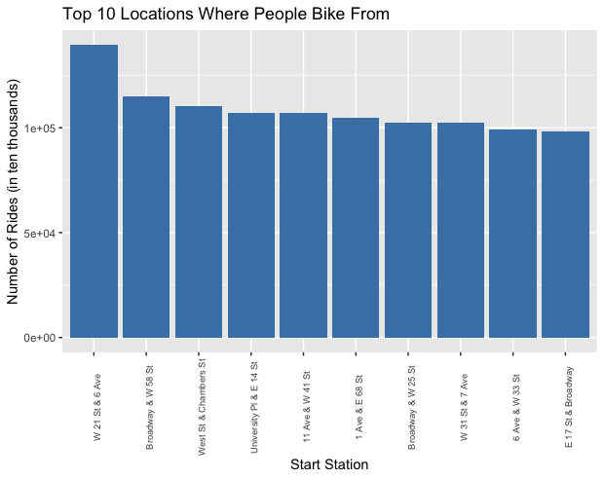

Visualizations
This bar chart shows the top ten locations where Citi Bike rides start occuring from. They are all based in Manhattan, New York.
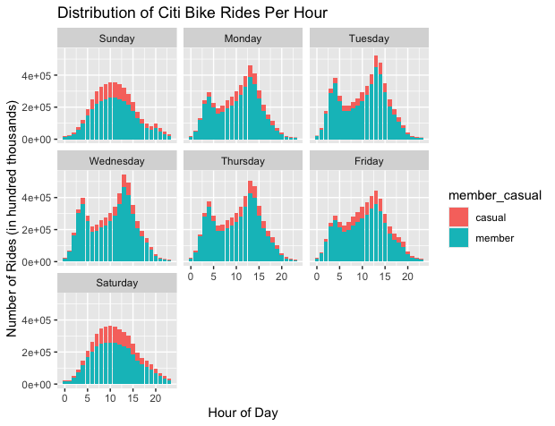
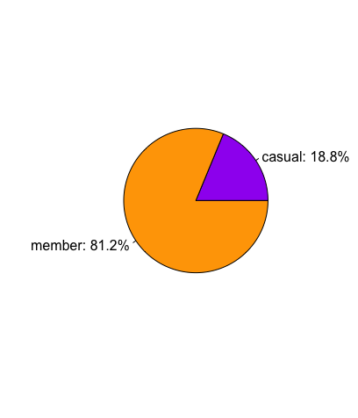
This pie chart shows the proportion of different types of riders. So far, approximately 80% of all records are riders who have membership with Citi Bikes.
Each bar chart represented by day shows a distribution of all bike rides occurring per hour grouped by rider type. During the week, member riders bike more around the start and end time of the business day. However over the weekend, bike rides peak between mid morning and afternoon regardless of type of rider.

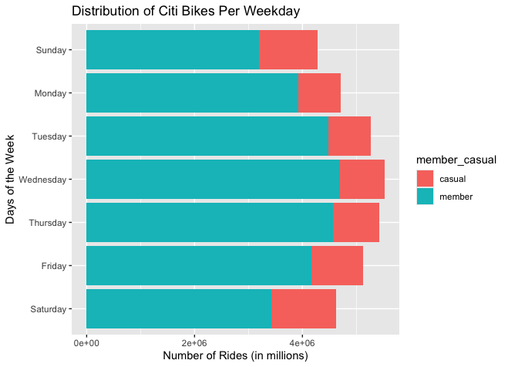
This bar chart shows the distribution of bike rides per weekday grouped by rider type. We can see more rides occur throughout the middle of the week and observe non-member riders (labeled by casual) bike more over the weekend.

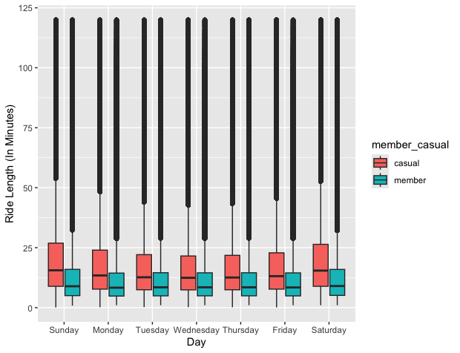

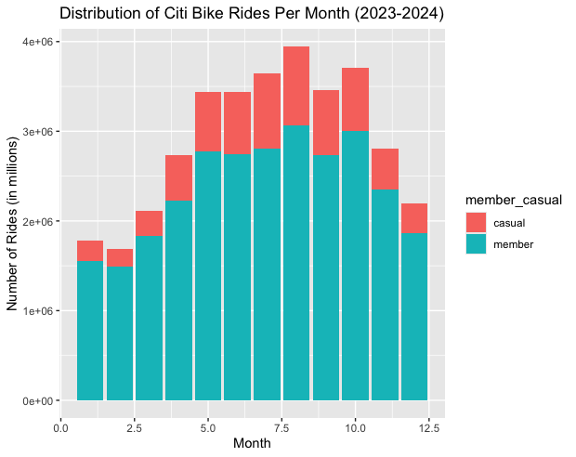

This bar chart shows how many Citi Bike rides occur on a monthly basis. Operationally, the number of Citi Bike rides peak between late spring and mid fall.

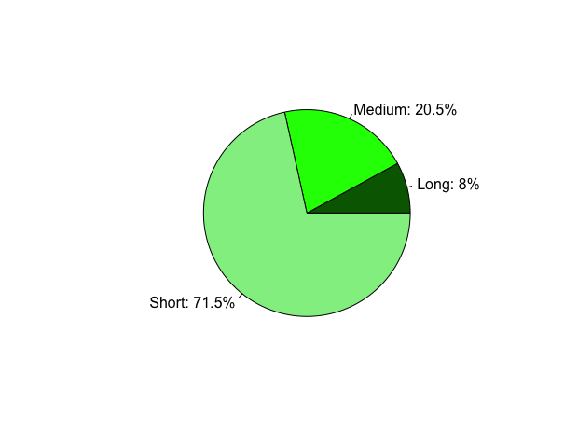

This pie chart shows the proportion of the type of ride length individuals bike. Over 70% bike less than than 15 minutes (short ride) while less than 10% bike over 30 minutes (long ride).

Month | Name
1 | January
2 | February
3 | March
4 | April
Each box plot represented by day describes the data points of how long each rider type rides with Citi Bikes. Although we see more entries of rides biked by those who are members, that doesn't necessarily mean they bike the longest. In fact, according to the median value per day, non-members ride 3 to 5 minutes longer than those who have membership. We can intepret non-members who use Citi-Bikes are casually riding. For members who have shorter rides are not casually riding, however, may be using them as a tactic to commute to work.
5 | May
6 | June
7 | July
8 | August
9 | September
10 | October
11 | November
12 | December

7. Recommendations
Recommendations

Question | Answers | Recommdendations
1) What are the busiest days of the week and hours of the day? | The majority of Citi Bike Rides occur during the middle of the week (Tuesday to Thursday). However, non-members tend to ride more over the weekend compared to weekdays. Additionally, members who use Citi Bikes tend to ride early morning and early evening during the week while they bike more in the afternoon on weekends. | For those who are members, host weekend events (occasions can include holidays) to encourage individuals to spend more time riding Citi Bikes. Offer a percentage discount to those who are already subscribed so they are motivated to bike more with them.
2) Are bike riding habits the same for members and casual riders? | At least 80% of all Citi Bike records are from those who are members. However, their rides with Citi Bikes are shorter than those who are members. | For those who are non-members, offer discounted opportunities where people can sign up for membership (Example: Get 20% off if you use a NYC Bike 20 times from the start of the month. The discount would terminate at the end of the month, then the member can start over with the same process at the start of each month.)
3) Analyze how Citi Bikes are used during the year. Are there any trends during the seasons? | The Citi Bikes are typically used more between late spring and early fall regardless of the individuals having a subscription with them or not. | To increase profit, advertise NYC Citi Bikes in the spring time in order to have more people subscribe with them since more rides occur over the summer.
4) Where do people tend to bike from using Citi Bikes? | More people who use Citi Bikes start from the bike stations in Midtown Manhatten. | Start expanding bike stations in Midtown Manhatten so there are more bikes available for members and casual riders. Consider adding more bike station locations in other boroughs of the city so people have alternative ways to commute or just ride for fun.

